1. Title Page
Instacart Grocery Basket Analysis

Project Name: Instacart Grocery Basket Analysis
Date: July 30, 2022
Analyst Name: Martina Tomic

Contents:
Population Flow
Consistency checks
Wrangling steps
Column derivations
Visualizations
Recommendations

“The Instacart Online Grocery Shopping Dataset 2017”, Accessed from https://www.instacart.com/datasets/grocery-shopping-2017 on 3/7/2022.

2. Population Flow
Title page

Population flow

Exclusion flag
Condition: max_order < 5
Obervations to be removed: 1440295
Final total count of order_products_all: 30964564

Orders_products_combined
Orders_products_merged
Orders_products_all

Total: 32404859
Total: 32434489
Total: 32404859

1.) The grey boxes in the first row of the population flow represent the original data sets as they were when downloaded. In the Total fields is the count of the rows when the data set is imported into Jupyter.
2.) The second row of boxes (coloured) represents the data sets after their manipulation, e.g., removed missing values and duplicates. In the Total fields is the count of the rows after conducting these operations. This offers a visual oveview of how the data flows throughout the data consistency checks.
3.) The third row, where also the arrows are coloured, represents the merges performed between the datasets. In the Total fields is the count of the rows in the merged datasets, so at the end is the final dataset (in the red box).

3. Consistency checks
 |  |  |  | Title page
Consistency checks

Dataset | Missing values | Missing values treatment | Duplicates
orders | days_since_prior_order: 206209 NaN | indicates first order, no treatment | There aren't any duplicates.
products | product_name : 16 NaN | created a new dataframe without the missing values df_prods_clean = df_prods[df_prods['product_name'].isnull() == False] | 5 records found and created a new dataframe that doesn’t include the duplicates df_prods_clean_no_dups = df_prods_clean.drop_duplicates()

customers | no missing values |  | no duplicates

4. Wrangling steps
 |  |  |  | Title page
Wrangling steps

Orders
Columns dropped | Columns renamed | Columns' type changed | Comment/Reason
eval_set from orders.csv |  |  | irrelevant
 | order_dow' into 'orders_day_of_week' |  | more intuitive
 |  | order_id | changed to string- doesn't represent real umerical value
 |  | user_id | changed to string- doesn't represent real umerical value
 | days_since_prior_order into days_since_last_order |  | more intuitive

Customers
Columns dropped | Columns renamed | Columns' type changed | Comment/Reason
 | First Name into first_name |  | for consisterncy
 | Surnam into surname |  | for consisterncy
 | Gender into gender |  | for consisterncy
 | STATE into state |  | for consisterncy
 | Age into age
first_name |  |  | PII concerns
surname |  |  | PII concerns
 |  | user_id | changed to string- doesn't represent real umerical value

Orders_products_all
Columns dropped | Columns renamed | Columns' type changed | Comment/Reason
 |  | user_id | changed to string- doesn't represent real umerical value
 |  | product_id | changed to string- doesn't represent real umerical value
 |  | aisle_id | changed to string- doesn't represent real umerical value
 |  | department_id | changed to string- doesn't represent real umerical value
 |  | order_id | changed to string- doesn't represent real umerical value
 |  | orders_day_of_week | changed to string- doesn't represent real umerical value

5. Column derivations
 |  |  |  | Title page

Column derivations and aggregations

Dataset | New column | Column/s it was derived from | Conditions
ords_prods_merged | price_range | prices | df_ords_prods_merged.loc[df_ords_prods_merged['prices'] > 15, 'price_range_loc'] = 'High-range product' df_ords_prods_merged.loc[(df_ords_prods_merged['prices'] <= 15) & (df['prices'] > 5), 'price_range_loc'] = 'Mid-range product' df_ords_prods_merged.loc[df_ords_prods_merged['prices'] <= 5, 'price_range_loc'] = 'Low-range product'
ords_prods_merge | max_order | order_number | ords_prods_merge.loc[ords_prods_merge['max_order'] > 40, 'loyalty_flag'] = 'Loyal customer' ords_prods_merge.loc[(ords_prods_merge['max_order'] <= 40) & (ords_prods_merge['max_order'] > 10), 'loyalty_flag'] = 'Regular customer' ords_prods_merge.loc[ords_prods_merge['max_order'] <= 10, 'loyalty_flag'] = 'New customer'
ords_prods_merge | loyalty_flag | max_order | ords_prods_merge.loc[ords_prods_merge['max_order'] > 40, 'loyalty_flag'] = 'Loyal customer' ords_prods_merge.loc[(ords_prods_merge['max_order'] <= 40) & (ords_prods_merge['max_order'] > 10), 'loyalty_flag'] = 'Regular customer' ords_prods_merge.loc[ords_prods_merge['max_order'] <= 10, 'loyalty_flag'] = 'New customer'
ords_prods_merge | average_price | prices | ords_prods_merge['average_price'] = ords_prods_merge.groupby(['user_id'])['prices'].transform(np.mean)
ords_prods_merge | spending_flag | average_price | ords_prods_merge.loc[ords_prods_merge['average_price'] < 10, 'spending_flag'] = 'Low spender' ords_prods_merge.loc[ords_prods_merge['average_price'] >= 10, 'spending_flag'] = 'High spender'
ords_prods_merge | median_days_since_prior_order | days_since_prior_order | ords_prods_merge['median_days_since_prior_order'] = ords_prods_merge.groupby(['user_id'])['days_since_prior_order'].transform(np.median)
ords_prods_merge | order_frequency_flag | days_since_prior_order | ords_prods_merge.loc[ords_prods_merge['median_days_since_prior_order'] > 20, 'order_frequency_flag'] = 'Non-frequent customer' ords_prods_merge.loc[(ords_prods_merge['median_days_since_prior_order'] > 10) & (ords_prods_merge['median_days_since_prior_order'] <= 20), 'order_frequency_flag'] = 'Regular customer' ords_prods_merge.loc[ords_prods_merge['median_days_since_prior_order'] <= 10, 'order_frequency_flag'] = 'Frequent customer'
cust_ords_prods_merge | exclusion_flag | max_order | cust_ords_prods_merge.loc[cust_ords_prods_merge['max_order'] < 5, 'exclusion_flag'] = 'Low-activity customer' cust_ords_prods_merge.loc[cust_ords_prods_merge['max_order'] >= 5, 'exclusion_flag'] = 'Active customer'
customers | age_category | age | customers.loc[(customers['age'] >= 18) & (customers['age']<= 30), 'age_category'] = 'Young Adults' customers.loc[(customers['age'] > 30) & (customers['age']<= 45), 'age_category'] = 'Middle-aged Adults' customers.loc[customers['age'] > 45, 'age_category'] = 'Old-aged Adults
customers | income_category | income | customers.loc[customers['income'] < 52200, 'income_category'] = 'Low income' customers.loc[(customers['income'] >= 52200) & (customers['income']<= 156600), 'income_category'] = 'Middle income' customers.loc[customers['income'] > 156600, 'income_category'] = 'High income'
customers | dependants_category | n_dependants | customers.loc[customers['n_dependants'] == 0, 'dependants_category'] = 'No dependents' customers.loc[customers['n_dependants'] ==1, 'dependants_category'] = 'One dependants' customers.loc[customers['n_dependants'] > 1, 'dependants_category'] = 'More than one dependants'
customers | income_category | income | customers.loc[customers['income'] < 52200, 'income_category'] = 'Low income' customers.loc[(customers['income'] >= 52200) & (customers['income']<= 156600), 'income_category'] = 'Middle income' customers.loc[customers['income'] > 156600, 'income_category'] = 'High income'
cust_ords_prods_merge | region | state | regions = {'Maine' : 'Northeast', 'New Hampshire' : 'Northeast', 'Vermont' : 'Northeast', 'Massachusetts' : 'Northeast', 'Rhode Island' : 'Northeast', 'Connecticut' : 'Northeast', 'New York' : 'Northeast', 'Pennsylvania' : 'Northeast', 'New Jersey': 'Northeast', 'Wisconsin' : 'Midwest', 'Michigan' : 'Midwest', 'Illinois' : 'Midwest', 'Indiana' : 'Midwest', 'Ohio' : 'Midwest', 'North Dakota' : 'Midwest', 'South Dakota' : 'Midwest', 'Nebraska' : 'Midwest', 'Kansas' : 'Midwest', 'Minnesota' : 'Midwest', 'Iowa' : 'Midwest', 'Missouri' : 'Midwest', 'Delaware' : 'South', 'Maryland' : 'South', 'District of Columbia' : 'South', 'Virginia' : 'South', 'West Virginia' : 'South', 'North Carolina' : 'South', 'South Carolina' : 'South', 'Georgia' : 'South','Florida' : 'South', 'Kentucky' : 'South', 'Tennessee' : 'South', 'Mississippi' : 'South','Alabama' : 'South','Oklahoma' : 'South', 'Texas' : 'South', 'Arkansas' : 'South', 'Louisiana' : 'South', 'Idaho' : 'West', 'Montana' : 'West', 'Wyoming' : 'West', 'Nevada' : 'West', 'Utah' : 'West', 'Colorado' : 'West', 'Arizona' : 'West', 'New Mexico' : 'West', 'Alaska' : 'West', 'Washington' : 'West','Oregon' : 'West','California' : 'West', 'Hawaii' : 'West' } def get_region(state): return regions[state] cust_ords_prods_merge['region'] = cust_ords_prods_merge['state'].apply(get_region)
cust_ords_prods_merge | baby_flag | department | cust_ords_prods_merge.loc[cust_ords_prods_merge['department'] == 'babies', 'baby_flag'] = 'Having baby' cust_ords_prods_merge.loc[cust_ords_prods_merge['department'] != 'babies', 'baby_flag'] = 'Not having baby'
cust_ords_prods_merge | pet_flag | department | cust_ords_prods_merge.loc[cust_ords_prods_merge['department'] == 'pets', 'pet_flag'] = 'Having pets' cust_ords_prods_merge.loc[cust_ords_prods_merge['department'] != 'pets', 'pet_flag'] = 'Not having pets'
cust_ords_prods_merge | veget_flag | department | cust_ords_prods_merge.loc[cust_ords_prods_merge['department'] != 'meat seafood', 'veget_flag'] = 'Vegetarian' cust_ords_prods_merge.loc[cust_ords_prods_merge['department'] == 'meat seafood', 'veget_flag'] = 'Not vegetarian'

6. Visualizations
 |  |  |  |  |  |  |  | Title page

Visualisations

Questions
1) The sales team needs to know what the busiest days of the week and hours of the day are (i.e., the days and times with the most orders) in order to schedule ads at times when there are fewer orders.

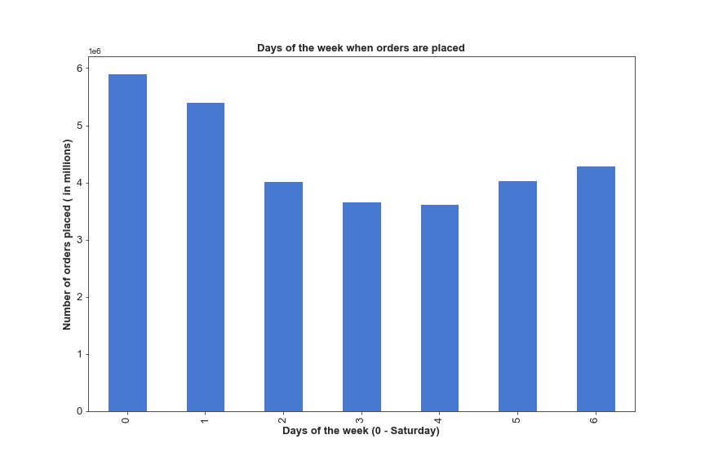
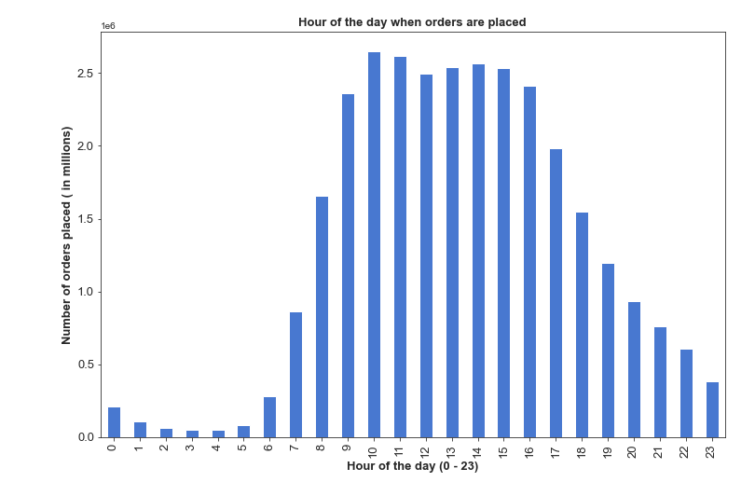

The busiest days are Saturday and Sunday, this tells us that people love to buy groceries on the weekend when they have more free time.
The busiest hours are between 9 and 16 h.

2) They also want to know whether there are particular times of the day when people spend the most money, as this might inform the type of products they advertise at these times

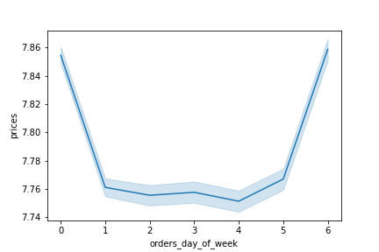
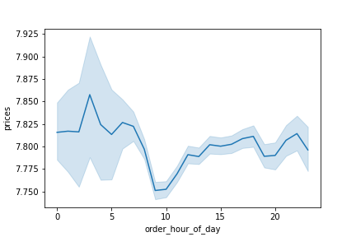

 | People spend the most money on the weekends and particularly they buy the most expensive thing between midnight and 3 am.

3) Instacart has a lot of products with different price tags. Marketing and sales want to use simpler price range groupings to help direct their efforts.

To simplify, the price range was grouped in three different categories : a) less than 5 as Low-range product, b) between 5 and 15 as Mid-range product and c) greater than 15 as High-range product.

Price range | Number of products | %
Mid-range product | 652,638 | 65.26%
Low-range product | 338,018 | 33.80%
High-range product | 9,344 | 0.93%
Sum | 1,000,000 | 100%

Majority of the products (65%) is in Mid-range category and only less than 1 % of the Instacart products are in the High-range category.

4) Are there certain types of products that are more popular than others? The marketing and sales teams want to know which departments have the highest frequency of product orders.

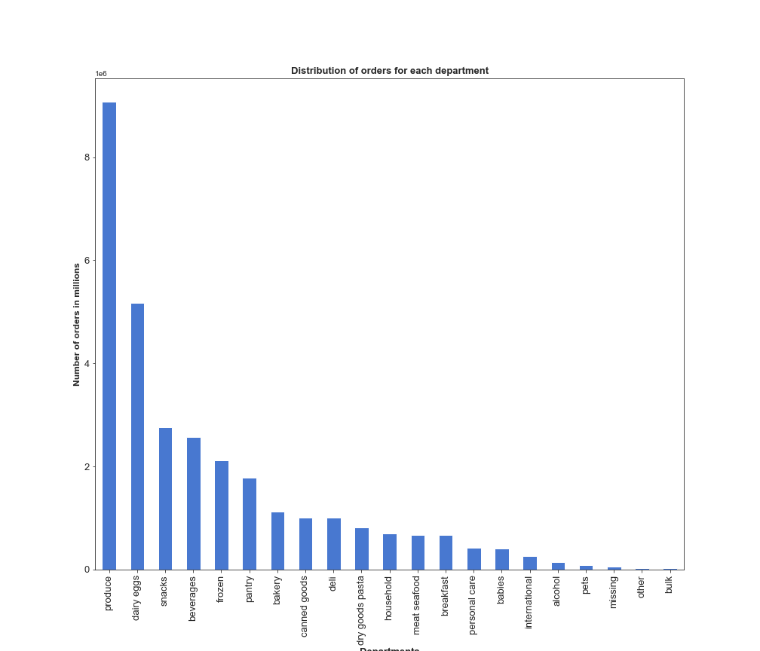

The most often orderd products are from produce department, followed by dairy aggs department, snacks and beverages department.
The bulk departments is at the last place considering number of orders per department and this is wher IC should put more efforts in adverti

5) What’s the distribution among users in regards to their brand loyalty (i.e., how often do they return to Instacart)?

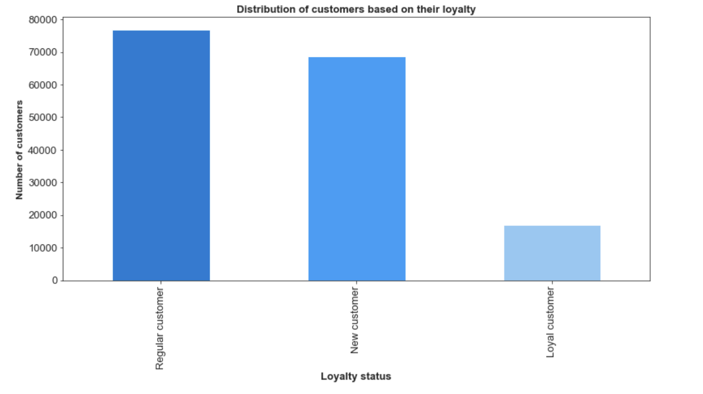

 |  |  |  |  |  |  |  |  | Loyal status | Total | Percentage
 |  |  |  |  |  |  |  |  | Regular customer | 76,864 | 47.26%
 |  |  |  |  |  |  |  |  | New customer | 68,750 | 42.27%
 |  |  |  |  |  |  |  |  | Loyal customer | 17,017 | 10.46%
 |  |  |  |  |  |  |  |  | SUM | 162,631 | 100%

Majority of the customers are regular, there is only 10,46 % of loyal customers.

6) Are there differences in ordering habits based on a customer’s loyalty status?
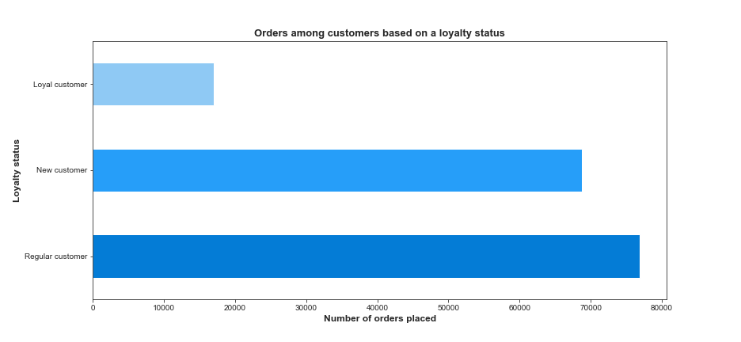

Instacart has majority of orders from regular customers, which is folllowed by new customers. The number of orders that are made from loyal custumers suggests that IC need to do something to made Regular and new customers come back more often.
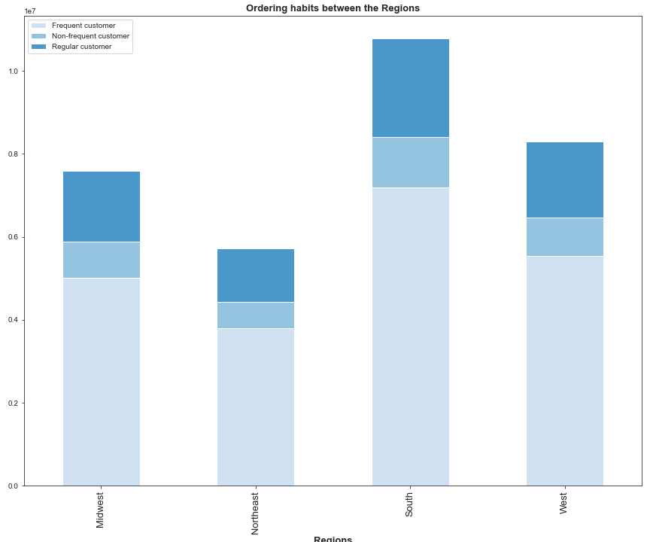

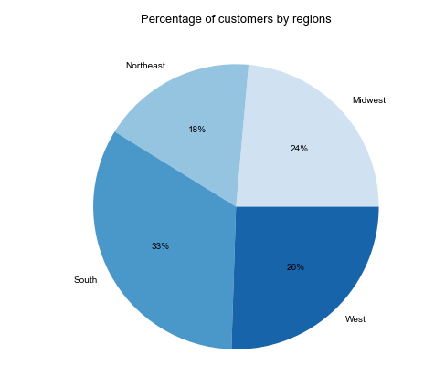
7) Are there differences in ordering habits based on a customer’s region?

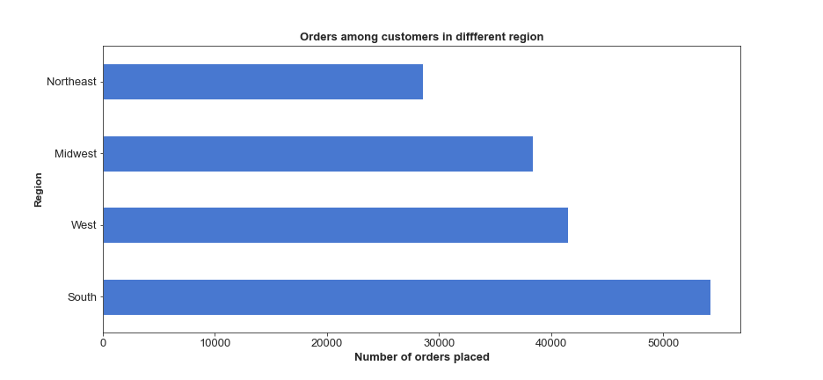

8) Is there a connection between age and family status in terms of ordering habits?

The highest number of orders have beeen made in the South region, while in the Northeast region is the lowest.
The South region has the biggest number of customers which corresponds with the highest numbers of orders being made in the same region.
In each region majority of the customers are Frequent.

8) What different classifications does the demographic information suggest? Age? Income? Family status?
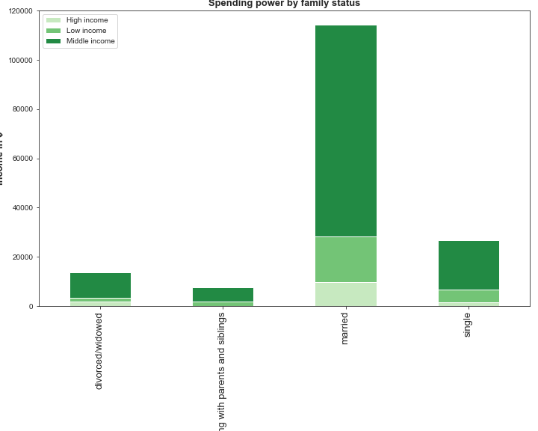
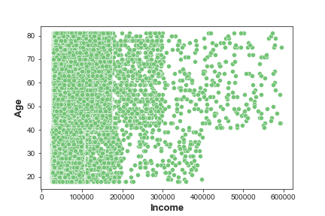
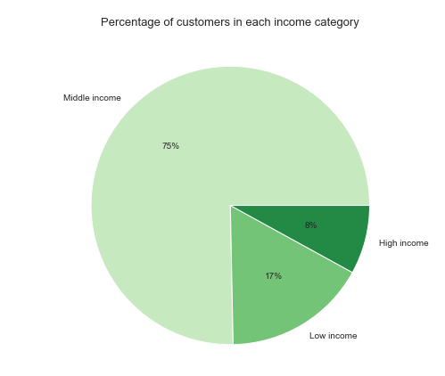

 |  |  |  |  |  |  |  |  |  |  | age_category | High income | Low income | Middle income
 |  |  |  |  |  |  |  |  |  |  | Middle-aged Adults | 1.08% | 4.59% | 17.69%
 |  |  |  |  |  |  |  |  |  |  | Old-aged Adults | 6.79% | 42.05% | 7.50%
75% of IC customers are in the middle icome range and only 8% of the total customers are in the high income range. |  |  |  |  |  |  |  |  |  |  | Young Adults | 0.12% | 4.60% | 15.57%
Married customers are the ones spending and ordering the most.
Most customers have equal purchasing power (up to $200.000), but only those above the age of 40 have larger purchasing power (incomes greater than $400.000).

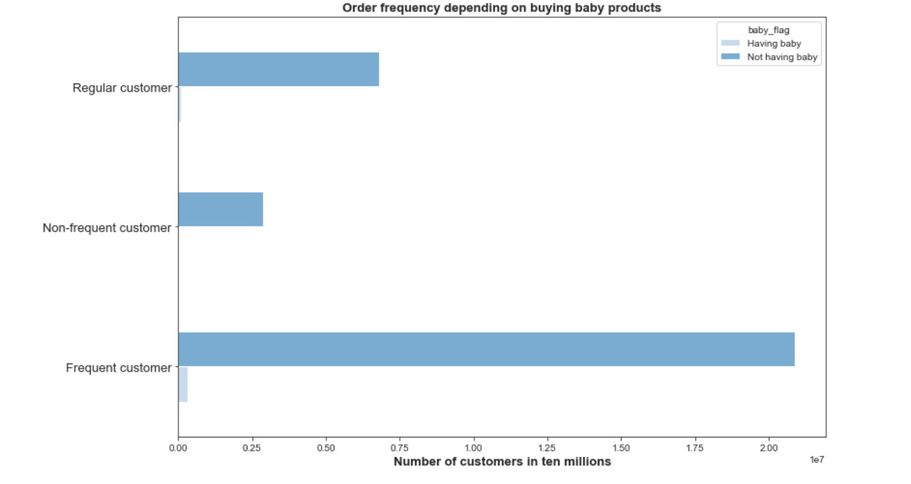
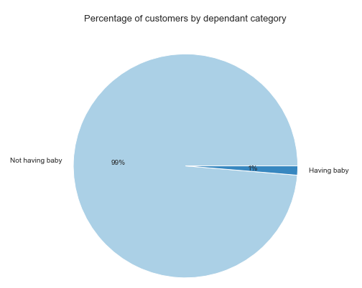

99% of customers dont buy baby related products but those who buy are mostly frequent customers.

region | Having pets | Not having pets | region | Not vegetarian | Vegetarian
Midwest | 21,358 | 7,240,155 | Midwest | 158,260 | 7,103,253
Northeast | 17,734 | 5,446,951 | Northeast | 118,571 | 5,346,114
South | 29,909 | 10,281,230 | South | 224,120 | 10,087,019
West | 24,059 | 7,903,168 | West | 173,830 | 7,753,397

The South region has the highest number of customers that are buying pet and vegetarian products.

9) What differences can you find in ordering habits of different customer profiles? Consider the price of orders, the frequency of orders, the products customers are ordering, and anything else you can think of.

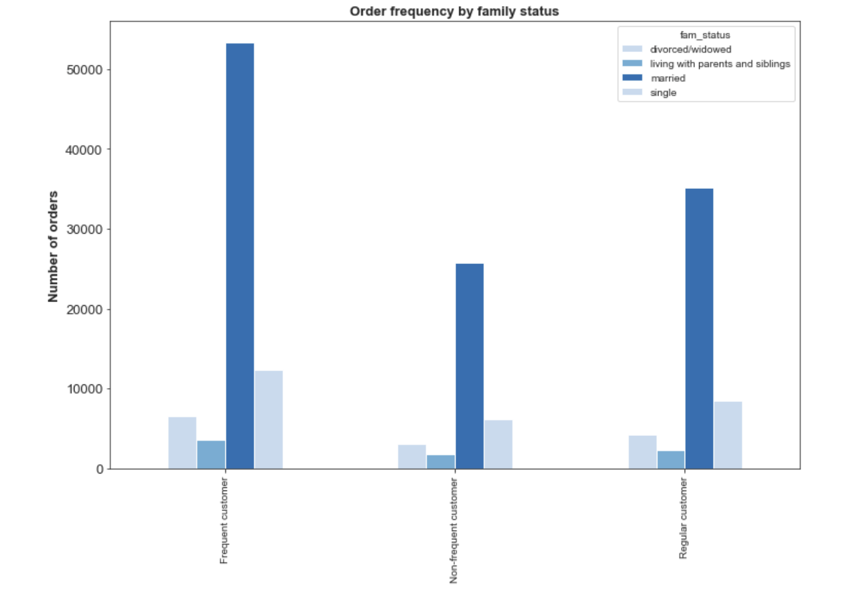

 |  |  |  |  |  | order_frequency_flag | divorced/widowed | living with parents and siblings | married | single
 |  |  |  |  |  | Frequent customer | 6517 | 3616 | 53405 | 12389
 |  |  |  |  |  | Non-frequent customer | 3054 | 1729 | 25790 | 6092
 |  |  |  |  |  | Regular customer | 4260 | 2263 | 35101 | 8415

 |  |  |  |  |  | dependants_category | High spender | Low spender
 |  |  |  |  |  | More than one dependants | 962 | 80253
 |  |  |  |  |  | No dependents | 515 | 40212
 |  |  |  |  |  | One dependants | 441 | 40248

In each category the highest frequency of orders are being made by married people, this make sense since they probably have families and have more needs than single persons.
No matter the number of dependants, custumers are mostly low spenders.



People older than 45 are ordering the most from InstaCart and they are mostly frequent customers.

7. Recommendations
Title page

Recommendations

